Applicant Information
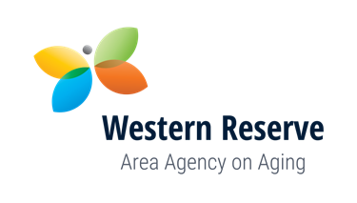
Western Reserve Area Agency on Aging (WRAAA)
2020 OAA Applicant InformationSheet

A | APPLICANT INFORMATION
1 | Applicant Name
2 | Address
3 | City
4 | Zip Code (incl 4 digit extension)
5 | County
6 | Applicant Telephone Number
7 | Website Address
8 | Type of Business
9 | Federal Tax ID Number
10 | Minority Provider
11 | Rural Provider
12 | Primary Contact Name
13 | Primary Contact Job Title
14 | Primary Contact Phone Number
15 | Primary Contact FAX Number
16 | Primary Contact Email Address
B | REQUESTED SERVICES
 | Service Name | Funding Source | County where services provided
1
2
3
4
5
6
7
8
9
10
11
12
13
14
15
16
17

